00) Sigma-4000_spec
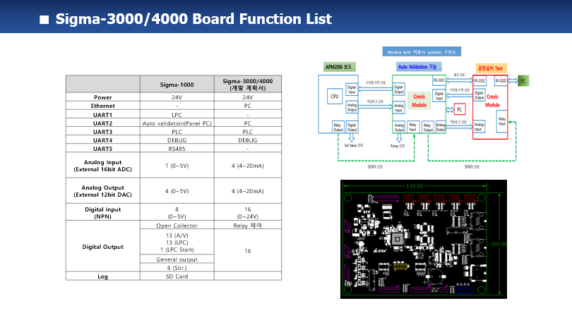
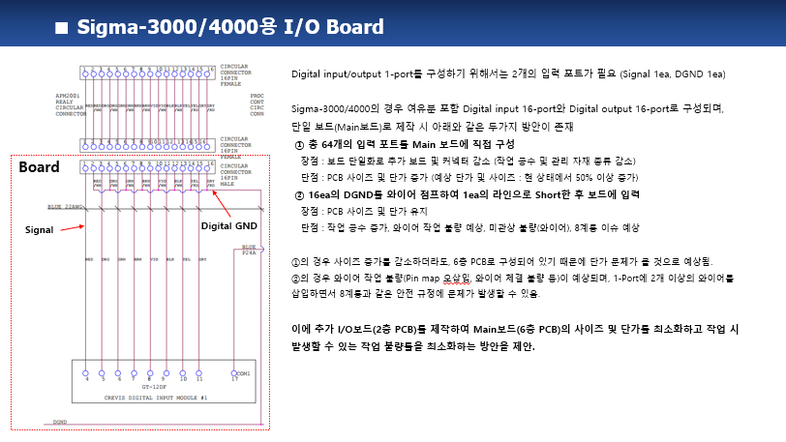
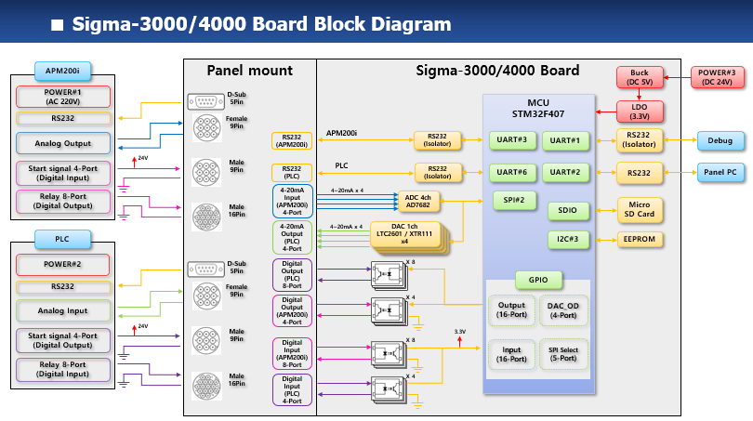
1. Sigma-4000 Basic Specification

01-1) IAP
1. IAP (In-circuit Application Programming) 관련
1) STM32F407 Boot Configuration 관련
a) STM32F407 은 Boot pin 2ea 의 설정상태에 따라 Booting 동작을 선택할 수 있다.

 | Boot 1 | Boot 0 | Boot Operation |  | Remark
 | x | 0 | Main Flash memory |  | - IAP 설치되어 살아날때 약 2초간 S/W upgrade 경우인지 판단하여 S/W upgrade 를 하거나 그냥 살아나거나를 판단. - IAP program 이 address 0x800_0000 ~ 0x800_FFFF 를 사용하므로 Application program 은 address 0x801_0000 ~ 0x80F_FFFF 를 사용하여야 한다.
 | 0 | 1 | System memory |  | - 최초에 IAP 를 program 하기위해 한 번 사용함. - embedded bootloader 가 내장되어 Flash memory 를 reprogram 하는 용도로 사용됨. - UART1/UART3/USB 를 사용함
 | 1 | 1 | Embedded SRAM |  | unused

b) 보드가 최초 조립된 이후 DIP switch 를 System memory boot 로 설정한후 System memory boot 기능을 이용하여 미리 작성해둔 IAP 이미지를 Main Flash memory 에 program 한다.
c) 이후 DIP switch 는 Main Flash memory boot 상태로 설정하며 DIP switch 설정을 다시 변경할 경우는 없다.
d) IAP 가 program 된 후에는 Application S/W upgrade 는 serial port #1 을 이용하여 수행한다.
- 필요한 시리얼 통신 프로그램 : YMODEM 으로 파일 upload 가 가능해야 함. (ex. ExtraPutty 등)
- IAP 를 이용한 upgrade mode 상태로 진입하는 방법 : 보드 reset 후 1.5초 이내에 시리얼 통신 프로그램에서 ESC 버튼을 3회 이상 입력
- 필요한 application S/W format : binary
- serial port 설정 : 115200 baud, 1 stop bit, no parity

2) IAP 제작
a) Github 에 있는 STM32F4 의 IAP source 를 참조하여 제작함
- https://github.com/eziya/STM32F4_HAL_IAP_UART 에서 source downloiad 함
- source 수정 내용은 https://blog.naver.com/eziya76/221552811740 의 설명 참조 함
b) CubeIDE tool 에서 new project 생성함
- new project 생성
- pin 설정 : external clock(bypass mode), USART1 pin 번호 설정,
- clock configuration(HSE, use PLL, 168MHz) 설정
- source generation 함
c) 생성한 new project 에 download 한 파일들 추가 및 변경 내용들 비교하여 반영 한다.
- 제일 중요한 내용 : STM32F407 의 MSP 는 0x20020000 이기 때문에, 원래 코드대로 0x2FFE0000 와 AND 연산하면 0x20020000 이 되기 때문에
정상적으로 Application 으로 Jump 를 하지 못하므로 0x2FFD0000 으로 변경한 부분

2. IAP 를 통한 upgrade 를 위해 Application 에서 반드시 수정해야 하는 부분
1) system_stm32f4xx.c : 아래와 같이 변경할 것
- application 의 시작 번지를 0x0801_0000 으로 변경하는 내용, CubeIDE 설치 버전에 따라 아래와 같이 수정이 다를수 있음

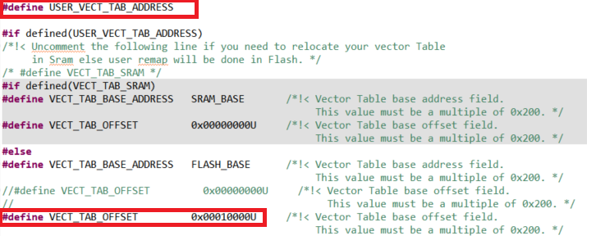

2) STM32F407IGHX.ld : 아래와 같이 수정해야 함
- application 의 시작 번지를 0x0801_0000 으로 변경하는 내용

3. Flash Memory Map
1) IAP : sector 0 에 위치하며 sector 4 ~ 11 이 user application SW 저장 됨
sector 1, 2, 3 은 environment config 저장을 위해 reserve 함, 일단 sector 3 을 config 저장 위치로 사용 함
Flash memory 의 특정 sector 를 환경 변수 저장 공간으로 사용함으로 보드상에 있는 EEPROM 은 사용하지 않음

Address | Flash Sector | Size | Nu-2000 Main controller S/W
80F_FFFF | Sector 11 | 128 K
80E_0000 |  | #7
 | Sector 10 | 128 K
80C_0000 |  | #6
 | Sector 9 | 128 K
80A_0000 |  | #5
 | Sector 8 | 128 K
808_0000 |  | #4
 | Sector 7 | 128 K
806_0000 |  | #3
 | Sector 6 | 128 K
804_0000 |  | #2
 | Sector 5 | 128 K
802_0000 |  | #1
 | Sector 4 | 64 K | User App program SW starts from here address : 0x801_0000
801_0000 |  | #1
 | Sector 3 | 16 K | Reserved area for environment configure #1
800_C000 |  | #4
 | Sector 2 | 16 K | Reserved area for environment configure #2
800_8000 |  | #3
 | Sector 1 | 16 K | Reserved area for environment configure #3
800_4000 |  | #2
 | Sector 0 | 16 K | IAP program start from 0x800_0000 and jump to user app SW at 0x801_0000
800_0000 |  | #1

Environment data
- Flash sector 3 은 512 byte 씩 32 개의 env_parm group 으로 구성 된다.
- Flash memory 의 특성상 erase 시 모든 bit 가 1 이 되며 1 --> 0 으로 write 는 항상 가능한 특성을 이용함
- 이러한 형태로 구성하는 이유는 Flash erase 횟수를 최소화하기 위함 (Flash erase 가능 횟수 : 10,000 회로 통상적인 Flash memory 의 erase 가능 횟수 100,000 회에 비해 작기 때문)
즉, 1회 erase 후 31 번을 write 할 수 있음으로 마치 310,000 회를 write 하는 효과를 볼 수 있음

- 1 parm = 4 byte 로 구성
- 1 group = 128 개의 parm 으로 구성
- 첫번째 group 은 env table 의 version 및 env_parm group 중 valid 한것이 어느것인지 판단하는 용도로 사용
- 실제 valid 한 group 은 1개만 존재함
- env parm group 30 까지 쓴 다음에 Flash sector erase 수행하고 다시 env group 0 번 부터 write 함

Note : Flash erase/program 관련 변동사항 있음 (IDE 버전에서 변경된것으로 추정됨)
erase/program 시 반드시 HAL_FLASH_Unlock(); 과 HAL_FLASH_Lock(); 을 추가해야 함
program 시에는 매번 write 하기 전에 __HAL_FLASH_CLEAR_FLAG(FLASH_FLAG_EOP | FLASH_FLAG_OPERR | FLASH_FLAG_WRPERR | FLASH_FLAG_PGAERR | FLASH_FLAG_PGSERR ); 가 추가되어야 함

sector #3 |  |  | base_address = 0x0800_C000 |  |  |  |  |  |  |  |  |  | 저장 횟수 : 126 | 63
 | 0 | 1 | 2 | 3 | 4 | 5 | 6 | 7 | 8 | 9 | A | B | C | D | E | F
0x0000 | A | T | I | K | _ | E | N | V | _ | 0 | . | 1 |  |  |  |  | Env version
0x0010 | 0.. 7 | 8.. 15 | 16.. 23 | 24.. 31 |  |  |  |  |  |  |  |  |  |  |  |  | usage bit flag : 0(used), 1(not used)
0x0020 |  |  |  |  |  |  |  |  |  |  |  |  |  |  |  |  | unused
0x0030
0x0040
0x0050
0x0060
0x0070 |  |  |  |  | reserved
0x0080
0x0090
0x00A0
0x00B0
0x00C0
0x00D0
0x00E0
0x00F0
0x0100 | CAL parm 10 |  |  |  | CAL parm 11 |  |  |  | CAL parm 12 |  |  |  | CAL parm 13 |  |  |  | calibration data back-up
0x0110 | CAL parm 14 |  |  |  | CAL parm 15 |  |  |  | CAL parm 16 |  |  |  | CAL parm 17
0x0120 | CAL parm 18 |  |  |  | CAL parm 19 |  |  |  | CAL parm 20 |  |  |  | CAL parm 21
0x0130 | CAL parm 22 |  |  |  | CAL parm 23 |  |  |  | CAL parm 24 |  |  |  | CAL parm 25
0x0140 | CAL parm 26 |  |  |  | CAL parm 27 |  |  |  | CAL parm 28 |  |  |  | CAL parm 29
0x0150 | CAL parm 30 |  |  |  | CAL parm 31 |  |  |  | CAL parm 32 |  |  |  | CAL parm 33
0x0160 | CAL parm 34 |  |  |  | CAL parm 35 |  |  |  | CAL parm 36 |  |  |  | CAL parm 37
0x0170 | CAL parm 38 |  |  |  | CAL parm 39
0x0180 |  |  |  |  |  |  |  |  |  |  |  |  |  |  |  |  | unused
0x0190
0x01A0
0x01B0 |  |  |  |  | reserved
0x01C0
0x01D0
0x01E0
0x01F0
0x0200 | parm 0 |  |  |  | parm 1 |  |  |  | parm 2 |  |  |  | parm 3 |  |  |  | parm group 0
0x0210 | parm 4 |  |  |  | parm 5 |  |  |  | parm 6 |  |  |  | parm 7
. . .
0x03F0 | parm 124 |  |  |  | parm 125 |  |  |  | parm 126 |  |  |  | parm 127
0x0400 | parm 0 |  |  |  | parm 1 |  |  |  | parm 2 |  |  |  | parm 3 |  |  |  | parm group 1
. . .
0x05F0 | parm 124 |  |  |  | parm 125 |  |  |  | parm 126 |  |  |  | parm 127
0x0600 | parm 0 |  |  |  | parm 1 |  |  |  | parm 2 |  |  |  | parm 3 |  |  |  | parm group 2
. . .
0x07F0 | parm 124 |  |  |  | parm 125 |  |  |  | parm 126 |  |  |  | parm 127
. . .
0x3E00 | parm 0 |  |  |  | parm 1 |  |  |  | parm 2 |  |  |  | parm 3 |  |  |  | parm group 30
. . .
0x3FF0 | parm 124 |  |  |  | parm 125 |  |  |  | parm 126 |  |  |  | parm 127

04) SPI
 | MCU SPI : SPI #2 shares 5 board resources

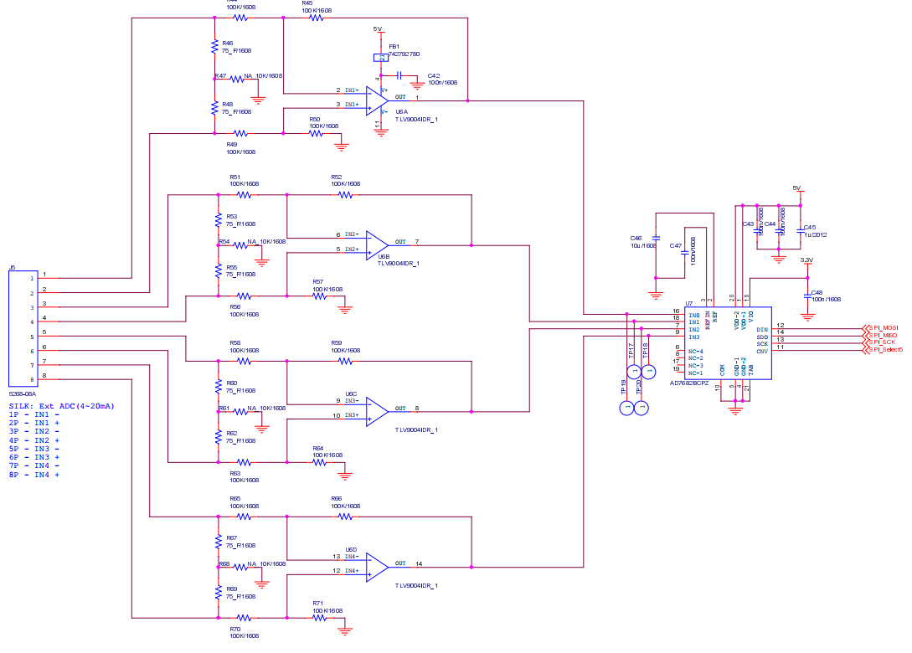
 | 1. SPI #2 shared resources
 | - ADC (AD7682, 4 ch, 16-bit) : 4~20mA input
 | - DAC (LTC2601, 1 ch, 16-bit) : 4~20mA output
 | - DAC (LTC2601, 1 ch, 16-bit) : 4~20mA output
 | - DAC (LTC2601, 1 ch, 16-bit) : 4~20mA output
 | - DAC (LTC2601, 1 ch, 16-bit) : 4~20mA output

 | 2. AD7682 SPI timing format

 | 1) AD7682 setting & timing
 | - 4 ch single ended configuration : 현재 회로 그대로 사용
 | - 4 ch unipolar differencial configuration : 여러 개의 external PD 가 있으며 각각의 출력이 differencial 이므로 사용 불가능 함
 | - voltage reference setting : internal reference 4.096V |  |  |  |  |  |  |  |  |  |  |  | Consider internal 4.096V voltage reference by checking ADC variation
 |  |  |  |  |  |  |  |  |  |  |  |  | if possible, we can eliminate AD8605 for ADC power regulation
 | - low pass filter : full bandwidth or 1/4 bandwidth
 | 2) AD7682 CFG register

 | bit | 13 |  | 12 |  | 11 |  | 10 |  | 9 |  | 8 |  | 7 |  | 6 |  | 5 |  | 4 |  | 3 |  | 2 |  | 1 |  | 0
 |  | CFG |  | INCC |  | INCC |  | INCC |  | Inx |  | Inx |  | Inx |  | BW |  | REF |  | REF |  | REF |  | SEQ |  | SEQ |  | RB
 |  | 1 |  | 1 |  | 1 |  | 1 |  | 0 |  |  |  |  |  | 1 |  | 0 |  | 0 |  | 1 |  | 0 |  | 0 |  | 1
 |  | CFG upd |  | ch configuration (unipolar, GND ref) |  |  |  |  |  | ch selection 0 0 0 : ch 0 0 0 1 : ch 1 0 1 0 : ch 2 0 1 1 : ch 3 |  |  |  |  |  | full BW |  | ref. vtg selection 0 0 1 : int. ref. vtg |  |  |  |  |  | sequencer 0 0 : disable |  |  |  | CFG do not read
 | - Note 1 : CFG word must be shifted left 2 bits, that means SPI_data[15:2] = CFG[13:0], SPI_data[1:0] = 0
 | - Note 2 : At power-up, the CFG register is undefined and two dummy conversions are required to update the register

 | 3) MCU SPI settings
 | - CPOL = CPHA = 0, --> SCK idle state is 0
 | - MCU SPI block clock freq. = 42 MHz, prescaler = 2 --> SPI_CLK = 21 MHz

 | 4) Timing
 | - to get 10 valid ADC sampled data, MCU must access ADC 12 times, because it takes time for proper CFG takes place.
 | first and second 2 ADC values must be ignored because they are garbage data caused by channel changing
 | - minimum 4 usec time is required between each AD conversion.

 |  |  |  |  |  |  |  | 300 usec

 | CNV

 | ADC |  | ADC ch0 read 12 times |  |  |  |  |  |  |  |  | ADC ch1 read 12 times |  |  |  |  |  |  |  | parm | ADC ch2 read 12 times |  |  |  |  |  |  |  |  | ADC ch3 read 12 times |  |  |  |  |  |  |  |  | ADC ch0 read 12 times

 |  |  |  |  |  |  | greater than 4usec
 |  |  |  |  |  |  |  |  |  |  |  |  |  | channel #0 ADC read |  |  |  |  |  |  |  |  |  |  |  |  |  |  |  |  |  |  |  |  |  |  |  |  |  |  |  |  |  |  | channel #1 ADC read

 | CNV

 | ADC |  | ADC ch0 read #0 |  |  |  |  |  | ADC ch0 read #1 |  |  |  |  |  | ADC ch0 read #2 |  |  |  |  |  | ADC ch0 read #3 |  |  |  |  |  | ADC ch0 read #4 |  |  |  |  |  |  |  |  | ADC ch0 read #11 |  |  |  |  |  |  | ADC ch1 read #0 |  |  |  |  |  | ADC ch1 read #1

 |  |  | - ch = 0 |  |  |  |  |  | - ch = 0 |  |  |  |  |  | - ch = 0 |  |  |  |  |  | - ch = 0 |  |  |  |  |  | - ch = 0 |  |  |  |  |  |  |  |  | - ch = 0 |  |  |  |  |  |  | - ch = 1 |  |  |  |  |  | - ch = 1
 |  |  | - data = ch3 |  |  |  |  |  | - data = ch0(-1) |  |  |  |  |  | - data = ch0(0) |  |  |  |  |  | - data = ch0(1) |  |  |  |  |  | - data = ch0(2) |  |  |  |  |  |  |  |  | - data = ch0(9) |  |  |  |  |  |  | - data = ch0 |  |  |  |  |  | - data = ch1(-1)

MCU | AD7682
GPIO | CNV

SPI_CLK | CLK

MOSI | DIN |  | CFG13 |  | CFG12 |  | CFG11 |  | CFG10 |  | CFG9 |  | CFG8 |  | CFG7 |  | CFG6 |  | CFG5 |  | CFG4 |  | CFG3 |  | CFG2 |  | CFG1 |  | CFG0 |  | x |  | x

MISO | SDO |  | AD15 |  | AD14 |  | AD13 |  | AD12 |  | AD11 |  | AD10 |  | AD9 |  | AD8 |  | AD7 |  | AD6 |  | AD5 |  | AD4 |  | AD3 |  | AD2 |  | AD1 |  | AD0

 | 3. LTC2601 SPI related
 | - LTC2601 : 1 channel 16-bit DAC
 | - output volage range : |  |  | 1) 0 ~ 4.096 V (chip internal reference 4.096V) |  |  |  |  |  |  |  |  |  |  |  |  |  | resolution = 4.096 V / 65536 = 0.0625 mV
 |  |  |  | 2) 0 ~ 2.500 V (chip internal reference 2.500V) |  |  |  |  |  |  |  |  |  |  |  |  |  | resolution = 2.500 V / 65536 = 0.0381 mV
 |  |  |  | 3) 0 ~ 5.000 V (external Vcc reference) |  |  |  |  |  |  |  |  |  |  |  |  |  | resolution = 5.000 V / 65536 = 0.0763 mV

 | 1) LTC2601 setting
 | - initial stage : |  | 1) write CMD = 0 0 1 1 , data = 0x000 (DAC output 0 V)

 | - normal operation : |  | 1) write CMD = 0 0 1 1 , data = 0xnnnn

 | 2) LTC2630 timing

 |  |  |  |  |  |  |  | 100 msec

 | CSB/LD

 | DAC |  | ext. DAC write |  |  |  |  |  |  |  |  |  |  |  |  |  |  |  |  |  |  |  |  |  |  |  | ext. DAC write

 | CSB/LD

 | DAC |  | ext. DAC ch0 write |  |  |  |  |  | ext. DAC ch1 write |  |  |  |  |  | ext. DAC ch2 write |  |  |  |  |  | ext. DAC ch3 write

MCU | LTC2601
GPIO | CSB/LD

SPI_CLK | SCK |  |  | 1 |  | 2 |  | 3 |  | 4 |  | 5 |  | 6 |  | 7 |  | 8 |  | 9 |  | 10 |  | 11 |  | 12 |  | 13 |  | 14 |  | 15 |  | 16 |  | 17 |  | 18 |  | 19 |  | 20 |  | 21 |  | 22 |  | 23 |  | 24

MOSI | SDI |  | C3 |  | C2 |  | C1 |  | C0 |  | 0 |  | 0 |  | 0 |  | 0 |  | D15 |  | D14 |  | D13 |  | D12 |  | D11 |  | D10 |  | D9 |  | D8 |  | D7 |  | D6 |  | D5 |  | D4 |  | D3 |  | D2 |  | D1 |  | D0

MISO | - |  |  |  | CMD |  |  |  |  |  |  |  | unused |  |  |  |  |  |  |  |  |  |  |  |  |  |  |  |  |  |  |  |  | DAC data

 |  |  | CMD
 |  |  | 0 | 0 | 0 | 0 |  | Write to Input Register
 |  |  | 0 | 0 | 0 | 1 |  | Update (Power up) DAC Register
 |  |  | 0 | 0 | 1 | 1 |  | Write to and Update (Power up) DAC Register |  |  |  |  |  |  |  |  |  |  |  |  |  |  | Use this command to change DAC output voltage
 |  |  | 0 | 1 | 0 | 0 |  | Power down
 |  |  | 1 | 1 | 1 | 1 |  | No operation

 | ※ SDO의 경우 Daisy chain용으로 일반 SPI통신용으로 사용 불가

05-1) SW IO Protocol
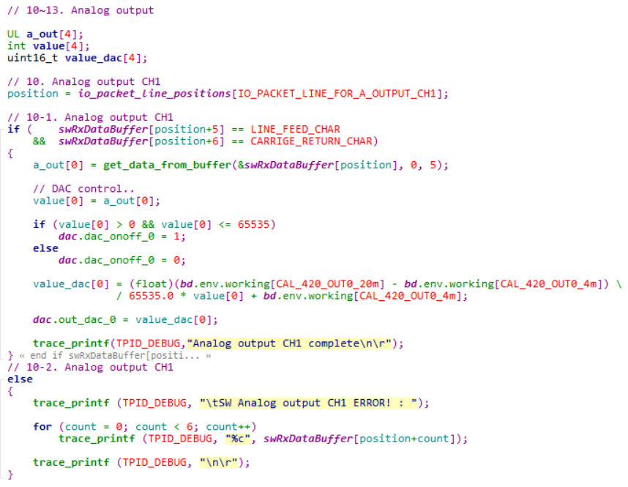
Sigma-3000/4000 SW IO Protocol

1. Protocol 정의
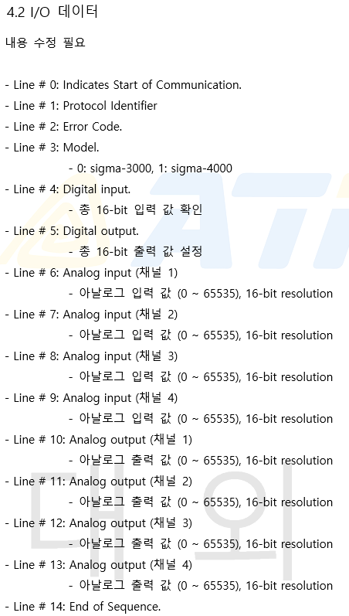
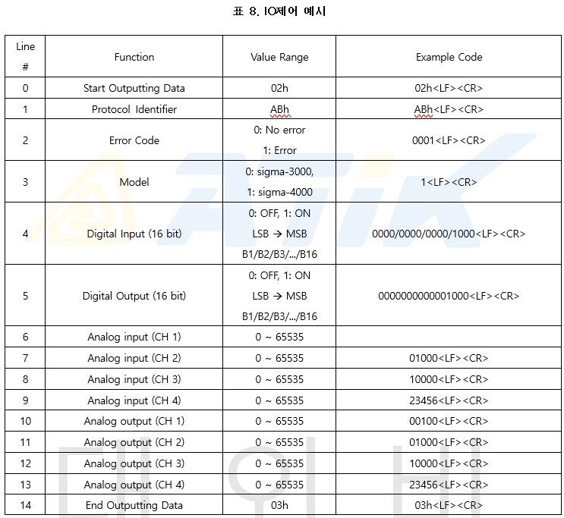

2. Protocol 설계
1) Main Loop (sw_io_comm_service)
→ 1ms 마다 sw_io_comm_service() 함수를 호출
→ UART2(PC)의 Queue에 있는 Char 1Byte를 읽어 (char)ch에 저장한다.
→ ch가 0이 아닐 경우(입력이 있을 경우) sw_io_data_service(ch)를 호출
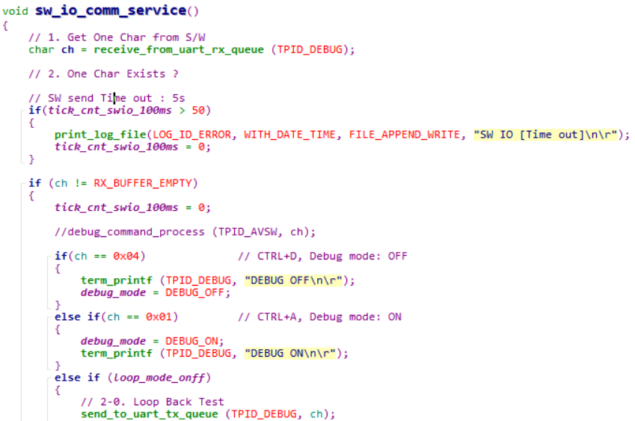

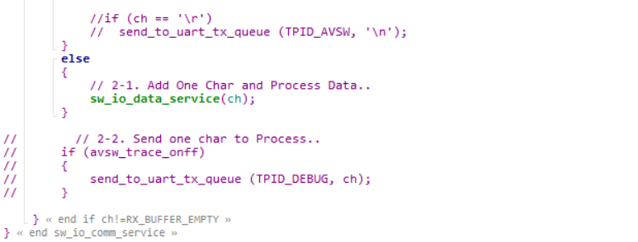

 | 수정 (Debug Mode 추가)
 | 입력 buffer 확인 후 | Debug mode에 따른 Main 내 호출 함수
 | Ctrl + D 입력일 경우 Debug mode off | Debug mode off | sw_io_comm_service()
 | Ctrl + A 입력일 경우 Debug mode on | Debug mode on | Debug_feature()
 | 그 외 입력은 sw_io_data_service 함수 호출

2) Data 처리 (sw_io_data_service)
→ UART1(DEBUG)에 입력이 있을 경우 sw_io_data_service(ch) 함수 호출
→ Buffer overflow 검사 후 문제 없을 시 아래 swRxDataBufffer에 (char)ch 저장 (swDataIndex count 증가)
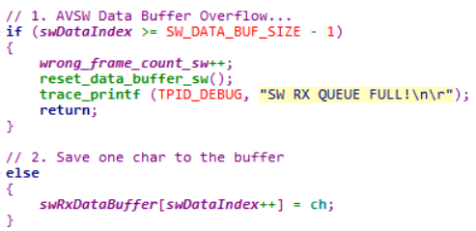

→ swDataIndex count가 5개(0,2,h,cr,lf)가 될때마다 STX(start) 신호인지를 확인
→ STX가 아닐 경우 1bit씩 Shift하여 반복 검사
→ STX일 경우 startFlag_sw를 1로 업데이트
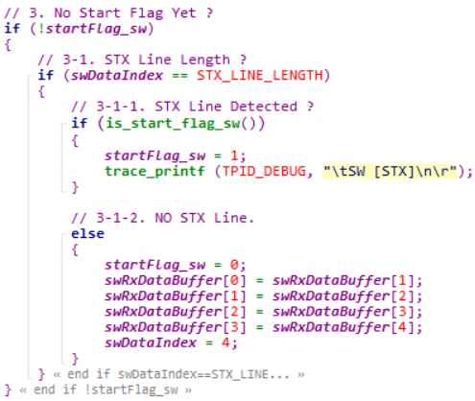

→ 이후 End flag(0,3,h,cr,lf)가 감지될때까지 Buffer에 반복 Stacking
→ End flag가 감지되면 process_io_frame 함수를 호출하여 데이터를 분석 및 실행 | I/O Frame List
→ 이후 send_buffer_Data_to_tpid 함수를 사용하여 Feedback 데이터 송출 | 1) Protocol ID Check
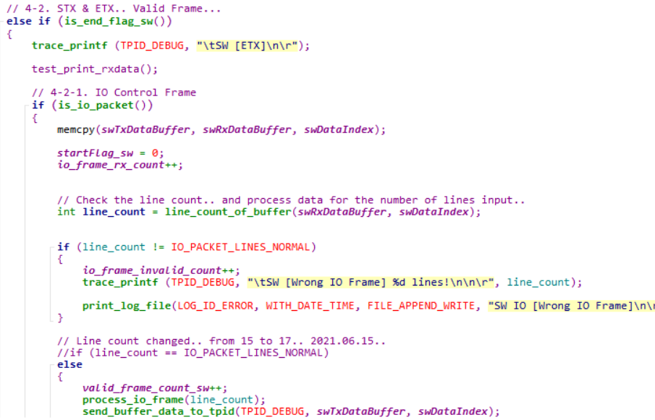
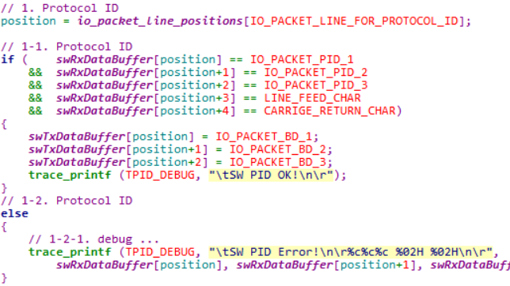

 | 2) Error code Check (미사용)
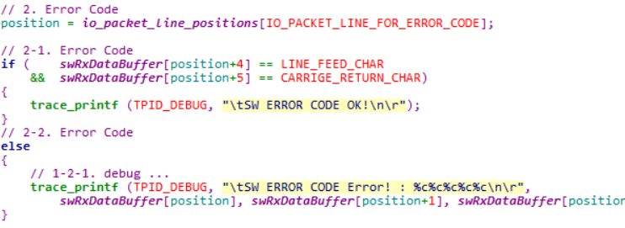

 | 3) Model Check (Sigma-3000, Sigma-4000)
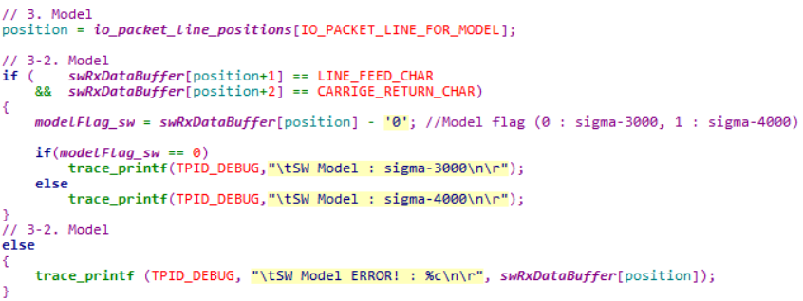

 | 4) Digital input
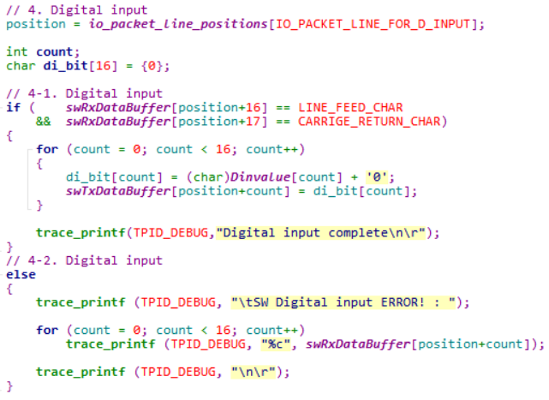

 | 5) Digital output
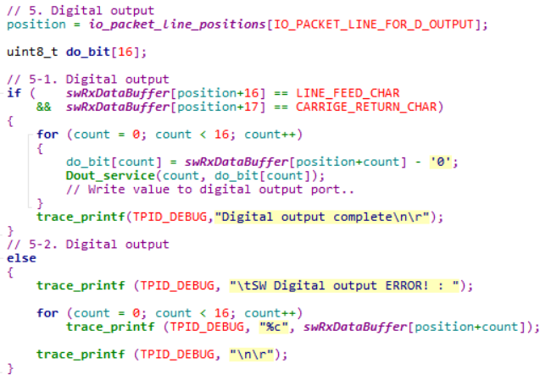

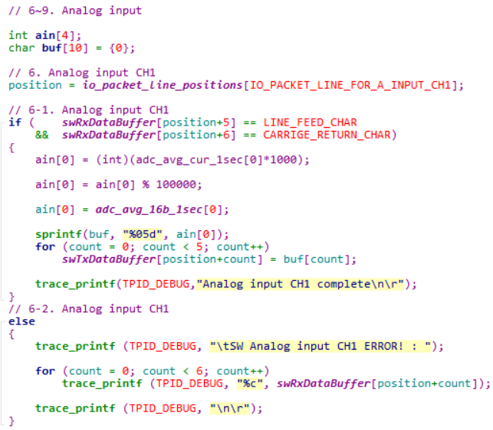
 | 6) Analog input

 | 7) Analog output

05-2) APM200i Protocol
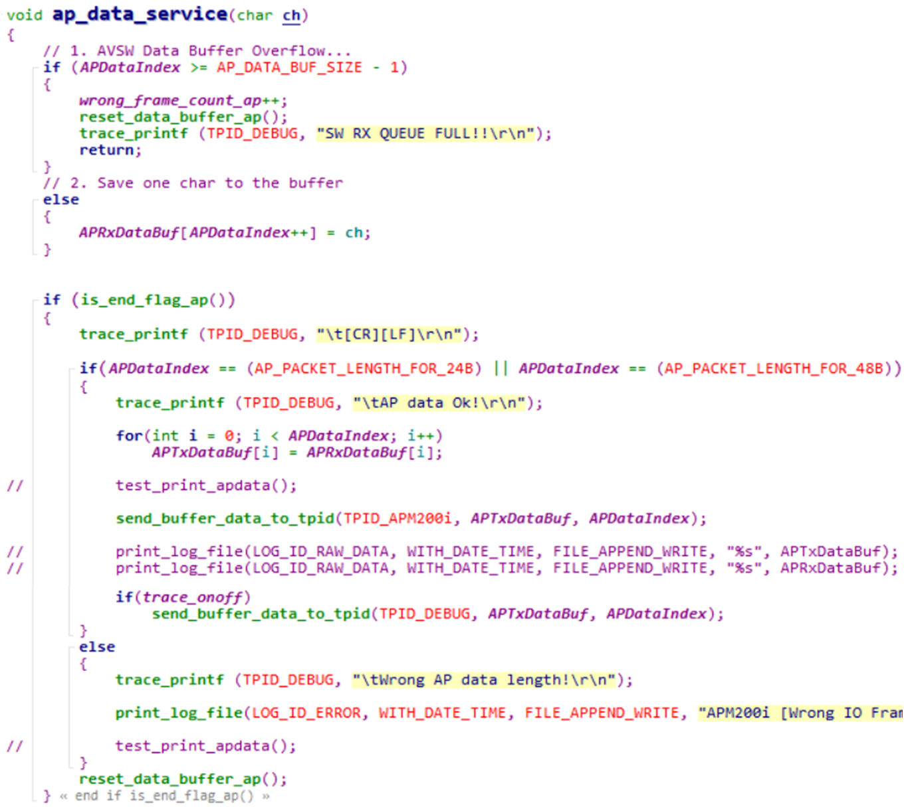
Sigma-3000/4000 MCU UART Assignment
PLC
공급설비
1. Protocol 정의
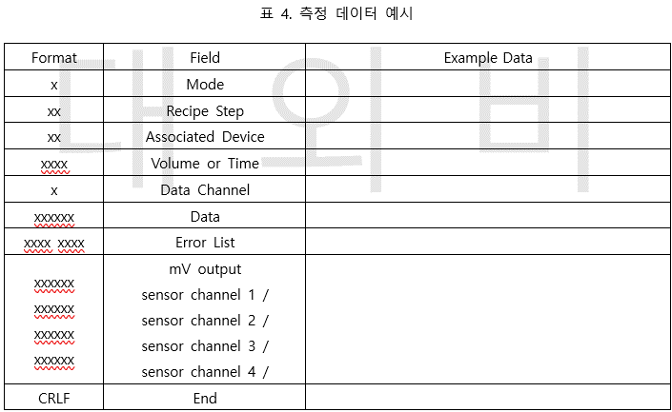

RS232

APM200i
RS232
Sigma-4000
Main Board
RS232
Panel PC

IO Control
IO Control

2. Protocol 설계
1) Main Loop (ap_comm_service)
→ 1ms 마다 ap_comm_service() 함수를 호출
→ UART3(APM200i)의 Queue에 있는 Char 1Byte를 읽어 (char)ch에 저장한다. | Byte | 1 | 2 | 3 | 4 | 5 | 6 | 7 | 8 | 9 | 10 | 11 | 12 | 13 | 14 | 15 | 16 | 17 | 18 | 19 | 20 | 21 | 22 | 23 | 24 | 25 | 26 | 27 | 28 | 29 | 30 | 31 | 32 | 33 | 34 | 35 | 36 | 37 | 38 | 39 | 40 | 41 | 42 | 43 | 44 | 45 | 46 | 47 | 48 | 49 | 50
→ ch가 0이 아닐 경우(입력이 있을 경우) ap_data_service(ch)를 호출 | 24Byte | 1 | 0 | 1 | 0 | 1 | 0 | 0 | 0 | 1 | 1 | 0 | 0 | 0 | 0 | 0 | 1 | 0 | 0 | 0 | 0 | 0 | 0 | 0 | 1 | CR | LF
 | 48Byte | 1 | 0 | 1 | 0 | 1 | 0 | 0 | 0 | 1 | 1 | 0 | 0 | 0 | 0 | 0 | 1 | 0 | 0 | 0 | 0 | 0 | 0 | 0 | 1 | 0 | 0 | 0 | 0 | 0 | 1 | 0 | 0 | 0 | 0 | 0 | 1 | 0 | 0 | 0 | 0 | 0 | 1 | 0 | 0 | 0 | 0 | 0 | 1 | CR | LF

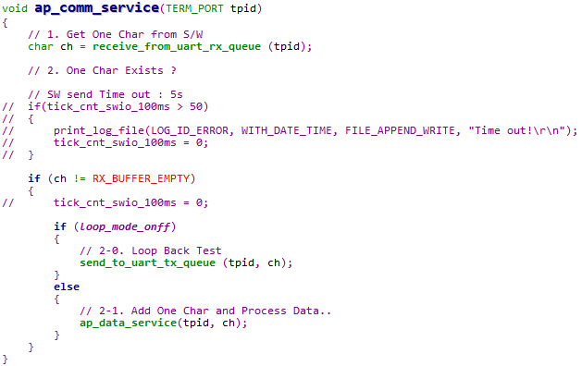

2) Data 처리 (ap_data_service)
→ UART3(APM200i)에 입력이 있을 경우 ap_data_sevice(ch) 함수 호출
→ Buffer overflow 검사 후 문제 없을 시 APRxDataBuf에 (char)ch 저장 (APDataIndex count 증가)
→ 이후 위 단계를 반복하여 (char)ch를 APRxDataBuf에 저장하고, is_end_flag_ap() 함수를 반복 호출하여 end signal(=[CR][LF])가 입력되었는지 확인
→ is_end_flag_ap() 함수에서 end signal이 감지되면 지금까지 입력된 데이터의 길이를 검사 (24byte or 48byte)
(데이터의 길이가 24bit or 48bit가 아닐 경우 [Wrong IO Frame length] Error massage와 함께 SD Card에 Log 기록
→ 데이터의 유효성이 확인되면 APTxDataBuf로 APRxDataBuf의 데이터를 복사 한 후 PC로 TxBuf를 송출
→ Data 송출 후 Tx Buf, Rx Buf 및 Index 모두 초기화

06) Digital IO
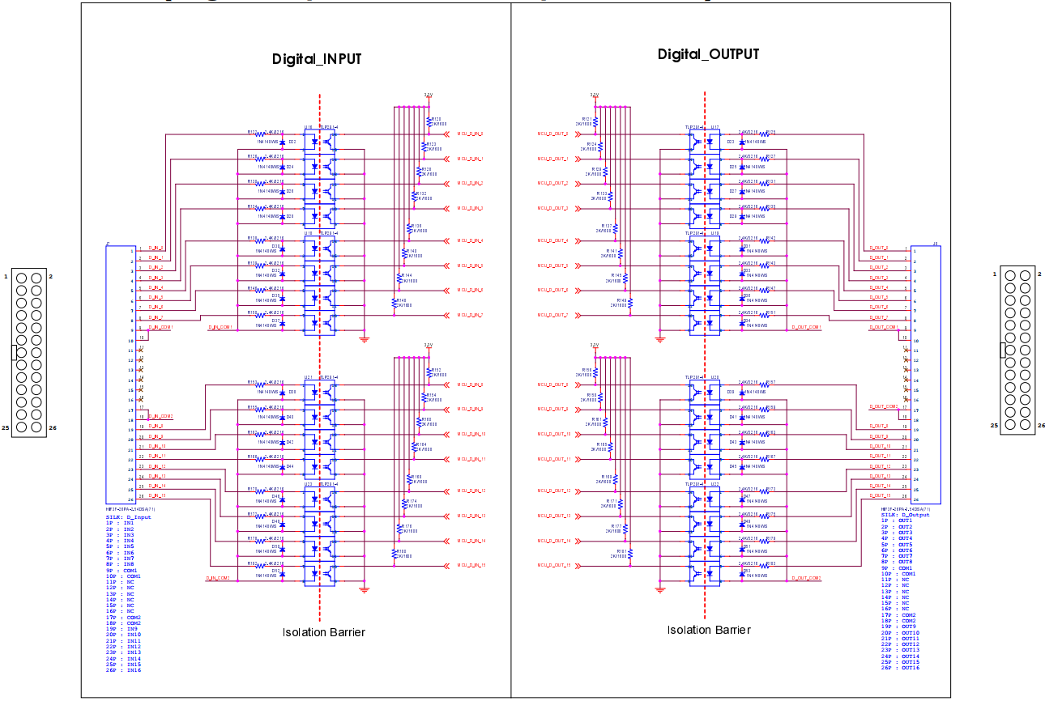
Digital input/output

- APM200i와 공급설비(PLC) 사이에서 Start signal과 Relay signal을 전달하는 기능
- GPIO를 통한 단순한 Read/Write 기능
- Hirose社의 26pin IDC Connector를 사용하고, 8ea Port별로 Isolation을 구성

